Scenario
Mario & Luigi's Pizzaria
Itsa Delicious!
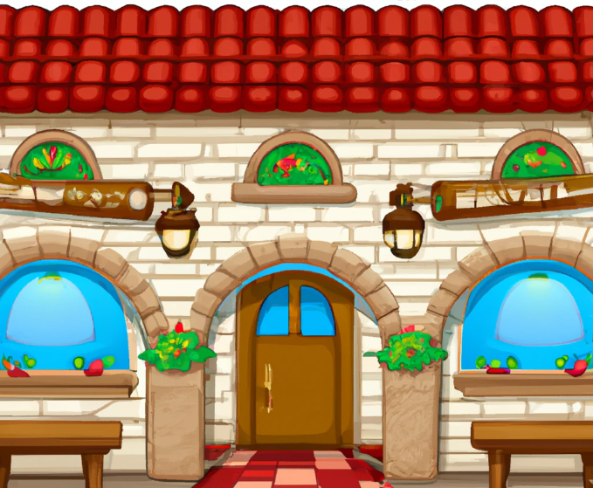
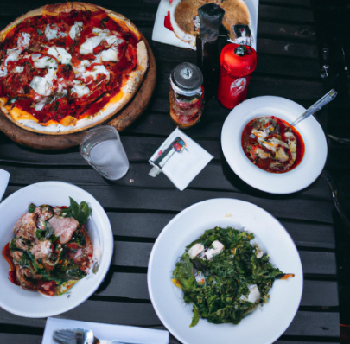
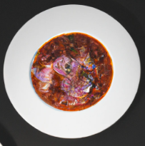

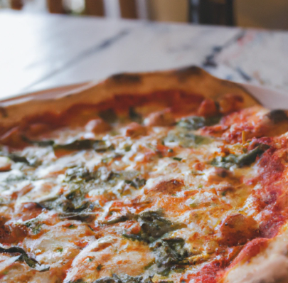

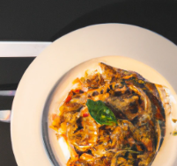

 |  |  |  |  | *The images in this example were all created with Dall-E 2, an image generating AI available at https://labs.openai.com/

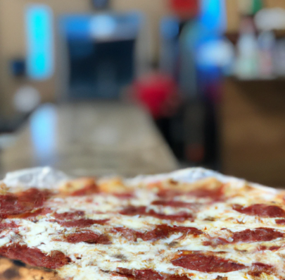
Scenario
1. Mario & Luigi run a local pizzaria in their home town of Mushroom Kingdom.
2. Business has been booming and they are looking to improve their system to make online ordering possible eventually…
3. For the moment they are not in a hurry to create a sales system, but they do want to create a database which has all of their recipes in it for their various starter, pizza and pasta dishes.
4. They would like to store the cost prices of each ingredient and be able to calculate the cost price of each dish.
5. Since they are plumbers by trade and this is a relatively new business venture for them, they are not sure of how exactly they should go about doing this and have asked for our assistance.
6. They have decided that they will use a standard serving size across all ingredients and that their cost price will be calculated per serving, per ingredient.
7. In a meeting with the business analyst, the brothers clarified that the only raw tomatoes they use are cherry tomatoes. The currency in Mushroom Kingdom is the gold coin which is not divisible, so all of their costs are in whole gold coins.
8. As you can see, the data is quite messy and unorganized. We are required to normalize this scenario and create a database that meets the requirements of the Super Mario Brothers.
9. They have provided the following sample data to start the process. They manually calculated the cost for the first 5 items, but it took too long

Menu Item | Item Type | Item Description | Dietary Type | Ingredient Names | Ingredient Quantities (Servings) | Ingredient Costs (Gold Coin) | Total Cost (Gold Coin)
Margarita | Pizza | A simple but elegant pizza | Vegetarian | Dough, Tomato sauce, cherry tomatoes, pesto, mozarella cheese | 1,1,1,2,1 | 5,2,1,1,2 | 12
Tagliatelle alla Bolognese | Pasta | A rich tomato sauce with beef meatballs served on Tagliatelle and topped with mozarella cheese | Omnivore | Tagliatelle, tomato sauce, meatballs, mozarella cheese | 2,1,4,2 | 4,2,7,2 | 42
Napoletana | Pizza | A vibrant italian pizza which blends the most basic italian ingredients into an exquisite dish | Vegetarian | Dough, Tomato sauce, cheery tomatoes, olive oil, black pepper, basil leaves | 1,1,1,1,1,1 | 5,2,1,1,1,1 | 11
Alla Pala | Pizza | A beautiful pan pizza loaded with prosciutto ham, cherry tomatoes and a generous sprinkling of parmesan cheese and mozarella cheese. | Omnivore | Dough, Tomato sauce, Cheery Tomatoes, Prosciutto Ham, Mozarella Cheese, parmesan cheese. | 1,1,1,2,1,1 | 5,2,1,6,2,2 | 24
Tonda Romana | Pizza | The meatlovers dream, barbecue infused beef topped with prosciutto ham and mozarella cheese | Carnivore | Dough, Tomato sauce, BBQ Sauce, Prosciutto Ham, Mozarella Cheese | 1,1,1,1,1 | 5,2,3,6 | 16 | should be 18
Arrabbiata | Pasta | A spicy, filling pasta dish with flavours from the sea | Pescatarian | Linguini, tomato sauce, Cheery Tomatoes, Olives, Chilli flakes, Muscles, Cod, Parmesan Cheese | 1,1,1,1,1,1,1,1 | 4,2,2,1,1,5,5,2
Al Taglio | Pizza | A spicy take on Italian cuizine, not for the feint hearted. | Carnivore | Dough, Tomato Base, Chilli flakes, Red Peppers, Salami, Eggplant, Pine Nuts, Mozarella Cheese | 1,1,1,1,2,1,1,2 | 5,2,1,2,6,2,2,2
Focaccia | Starter | A garlic infused pizza bread baked to perfection | Vegetarian | Dough, Olive Oil, Garlic | 1,1,1 | 5,1,1
Frites | Starter | Golden Brown Italian fries | Vegetarian | Potato, Salt, Olive Oil | 3,1,1 | 2,1,1
Tomato Soup | Starter | A rich and creamy tomato soup made with love | Vegetarian | Tomato Sauce, Cream, Tomato Pesto, Basil Leaves | 3, 1, 1, 1 | 2, 2, 1, 1
Salad | Starter | A wonderful way to start your meal, full of fibre and flavour | Vegetarian | Lettuce, Tomato, Onion, Olives, Feta Cheese, Olive Oil | 1,1,1,1,1,1 | 1,2,1,1,2,1

Data Observations
A menu item has one item type, an item type can related to many menu items (many-to-one).
A menu item has a custom description.
A menu item has one dietary type, a dietary type can be related to many menu items (many-to-one).
A menu item has many ingredients, an ingredient can be part of many menu items (many-to-many).
Each menu item ingredient has a set amount of servings associated with each ingredient.
Each menu item ingredient has a specific price per serving.
There are spelling errors in the ingredient names column and possibly elsewhere, we need to verify the data going into our database. See 7. Below
The total cost for the 5th row is incorrect because one of the prices is missing. The value should be 18

2. Make online ordering possible eventually…
we should make a reusable (abstract) solution

3. Not in a hurry to create a sales system
We should stick to the task at hand: Creating a recipes database.

4. Store the cost prices of each ingredient and be able to calculate the cost price of each dish.
The formula for the cost price of a recipe item is the sum of the cost price of each ingredient multiplied by the number of servings of that ingredient (P*Q) + (P*Q) + (P*Q) ... The data in the price and quantity columns shows two positionally related lists.

5. Since they are plumbers by trade and this is a relatively new business venture…
The customer does not know anything about database design. This is on us.

6. (P*Q) + (P*Q) + (P*Q) …

7. The only raw tomatoes they use are cherry tomatoes
"Tomato" = "Cherry Tomato", "Cheery Tomato" = "Cherry Tomato"
7. All of their costs are in whole gold coins.
Our Curreny in this case is INT

We don’t need to calculate the menu item cost manually or insert it into our database, we will calculate it automatically with a query.

Database ERD
